C24
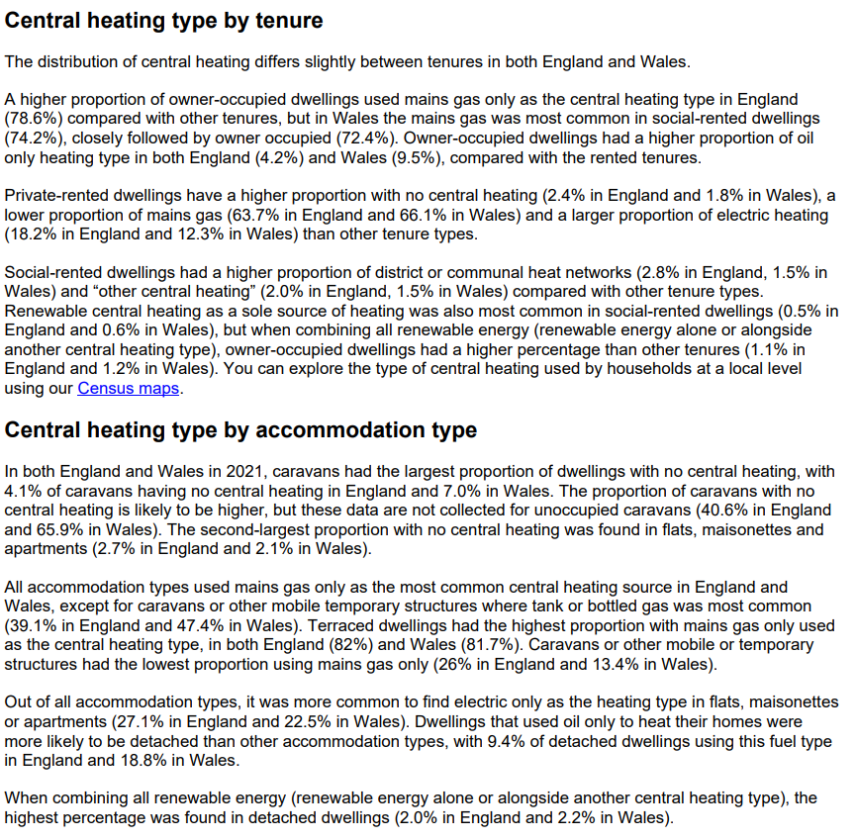
Contents

Households by type of central heating, Brent, London and England & Wales, 2021 (% total)
Type of heating | Brent | London | England & Wales
Mains gas only | 69.5 | 70.5 | 73.8
Electric only (including storage heaters) | 13.4 | 12.6 | 8.5
District or communal heat networks only | 2.3 | 3.4 | 0.9
Renewable energy only (e.g. solar thermal or heat pumps) | 0.2 | 0.2 | 0.4 | 0
2 or more types of central heating (including renewable energy) | 0.3 | 0.4 | 0.5
2 or more types of central heating (not including renewable energy) | 8.7 | 8.1 | 8.5
Other types (*) | 3.4 | 2.6 | 5.8
No central heating | 2.2 | 2.2 | 1.5
All with central heating: | 97.8 | 97.8 | 98.5
All with some form of renewable energy | 0.5 | 0.5 | 0.9
Source: Office for National Statistics, 2021 Census (TS046)

